Lab 2
1 |  | Bin |  |  |  |  |  |  |  |  |  |  |  |  |  |  |  |  | Column1
1 |  | 0.1 |  | Bin | Frequency |  |  |  |  |  |  |  |  |  |  |  |  |  |  |  | 1 | 1
2 |  | 0.2 |  | 0.1 | 39 |  |  |  |  |  |  |  |  |  |  |  |  |  | Mean | 0.95 | 1
1 |  | 0.3 |  | 0.2 | 0 |  |  |  |  |  |  |  |  |  |  |  |  |  | Standard Error | 0.095742710776 | 2 | Mean | 0.94949494949
weight Residual Plot
181
1 |  | 0.4 |  | 0.3 | 0 |  |  |  |  |  |  |  |  |  |  |  |  |  | Median | 1 | 1 | Standard Error | 0.096713397288
2 |  | 0.5 |  | 0.4 | 0 |  |  |  |  |  |  |  |  |  |  |  |  |  | Mode | 0 | 1 | Median | 1
181 Residual Plot
160
0 |  | 0.6 |  | 0.5 | 0 |  |  |  |  |  |  |  |  |  |  |  |  |  | Standard Deviation | 0.95742710776 | 2 | Mode | 0
0 |  | 0.7 |  | 0.6 | 0 |  |  |  |  |  |  |  |  |  |  |  |  |  | Sample Variance | 0.91666666667 | 0 | Standard Deviation | 0.96228615301
160 Residual Plot
181
2 |  | 0.8 |  | 0.7 | 0 |  |  |  |  |  |  |  |  |  |  |  |  |  | Kurtosis | 0.066270612748 | 0 | Sample Variance | 0.92599464028
1 |  | 0.9 |  | 0.8 | 0 |  |  |  |  |  |  |  |  |  |  |  |  |  | Skewness | 0.8059422594 | 2 | Kurtosis | 0.037249854262
181 Residual Plot
201
0 |  | 1 |  | 0.9 | 0 |  |  |  |  |  |  |  |  |  |  |  |  |  | Range | 4 | 1 | Skewness | 0.80366585971
1 |  | 1.1 |  | 1 | 35 |  |  |  |  |  |  |  |  |  |  |  |  |  | Minimum | 0 | 0 | Range | 4
weight Residual Plot
181
201 Residual Plot
179
1 |  | 1.2 |  | 1.1 | 0 |  |  |  |  |  |  |  |  |  |  |  |  |  | Maximum | 4 | 1 | Minimum | 0
3 |  | 1.3 |  | 1.2 | 0 |  |  |  |  |  |  |  |  |  |  |  |  |  | Sum | 95 | 1 | Maximum | 4
181 Residual Plot
160
179 Residual Plot
182
1 |  | 1.4 |  | 1.3 | 0 |  |  |  |  |  |  |  |  |  |  |  |  |  | Count | 100 | 3 | Sum | 94
Normal Probability Plot
0 |  | 1.5 |  | 1.4 | 0 |  |  |  |  |  |  |  |  |  |  |  |  |  | Confidence Level(95.0%) | 0.18997430971 | 1 | Count | 99
160 Residual Plot
181
182 Residual Plot
180
0 |  | 1.6 |  | 1.5 | 0 |  |  |  |  |  |  |  |  |  |  |  |  |  |  |  | 0
2 |  | 1.7 |  | 1.6 | 0 |  |  |  |  |  |  |  |  |  |  |  |  |  |  |  | 0
181 Residual Plot
201
180 Residual Plot
200
1 |  | 1.8 |  | 1.7 | 0 |  |  |  |  |  |  |  |  |  |  |  |  |  |  |  | 2
3 |  | 1.9 |  | 1.8 | 0 |  |  |  |  |  |  |  |  |  |  |  |  |  |  |  | 1 | 4
201 Residual Plot
179
200 Residual Plot
197
0 |  | 2 |  | 1.9 | 0 |  |  |  |  |  |  |  |  |  |  |  |  |  |  |  | 3
1 |  |  |  | 2 | 19 |  |  |  |  |  |  |  |  |  |  |  |  |  |  |  | 0 | 0
179 Residual Plot
182
197 Residual Plot
205
0 |  |  |  | More | 7 |  |  |  |  |  |  |  |  |  |  |  |  |  |  |  | 1 | 1
1 |  |  |  |  |  |  |  |  |  |  |  |  |  |  |  |  |  |  |  |  | 0 | 2
182 Residual Plot
180
205 Residual Plot
194
2 |  |  |  |  |  |  |  |  |  |  |  |  |  |  |  |  |  |  |  |  | 1
0 |  |  |  |  |  |  |  |  |  |  |  |  |  |  |  |  |  |  |  |  | 2
180 Residual Plot
200
weight Line Fit Plot
2 |  |  |  |  |  |  |  |  |  |  |  |  |  |  |  |  |  |  |  |  | 0
3 |  |  |  |  |  |  |  |  |  |  |  |  |  |  |  |  |  |  |  |  | 2
200 Residual Plot
197
181 Line Fit Plot
1 |  |  |  |  |  |  |  |  |  |  |  |  |  |  |  |  |  |  |  |  | 3
1 |  |  |  |  |  |  |  |  |  |  |  |  |  |  |  |  |  |  |  |  | 1
197 Residual Plot
205
160 Line Fit Plot
0 |  |  |  |  |  |  |  |  |  |  |  |  |  |  |  |  |  |  |  |  | 1
0 |  |  |  |  |  |  |  |  |  |  |  |  |  |  |  |  |  |  |  |  | 0
205 Residual Plot
194
181 Line Fit Plot
0 |  |  |  |  |  |  |  |  |  |  |  |  |  |  |  |  |  |  |  |  | 0
0 |  |  |  |  |  |  |  |  |  |  |  |  |  |  |  |  |  |  |  |  | 0
weight Line Fit Plot
 | height | Predicted height
181 | 70
 | 71
 | 71
 | 71
 | 72
 | 72
 | 73
 | 74
 | 75
 | 76
 | 74
201 Line Fit Plot
0 |  |  |  |  |  |  |  |  |  |  |  |  |  |  |  |  |  |  |  |  | 0
0 |  |  |  |  |  |  |  |  |  |  |  |  |  |  |  |  |  |  |  |  | 0
181 Line Fit Plot
 | height | Predicted height
160 | 70
 | 71
 | 71
 | 71
 | 72
 | 72
 | 73
 | 74
 | 75
 | 76
 | 74
179 Line Fit Plot
0 |  |  |  |  |  |  |  |  |  |  |  |  |  |  |  |  |  |  |  |  | 0
0 |  |  |  |  |  |  |  |  |  |  |  |  |  |  |  |  |  |  |  |  | 0
160 Line Fit Plot
 | height | Predicted height
181 | 70
 | 71
 | 71
 | 71
 | 72
 | 72
 | 73
 | 74
 | 75
 | 76
 | 74
3 |  |  |  |  |  |  |  |  |  |  |  |  |  |  |  |  |  |  |  |  | 0
182 Line Fit Plot
3 |  |  |  |  |  |  |  |  |  |  |  |  |  |  |  |  |  |  |  |  | 3
181 Line Fit Plot
 | height | Predicted height
201 | 70
 | 71
 | 71
 | 71
 | 72
 | 72
 | 73
 | 74
 | 75
 | 76
 | 74
0 |  |  |  |  |  |  |  |  |  |  |  |  |  |  |  |  |  |  |  |  | 3
180 Line Fit Plot
1 |  |  |  |  |  |  |  |  |  |  |  |  |  |  |  |  |  |  |  |  | 0
201 Line Fit Plot
 | height | Predicted height
179 | 70
 | 71
 | 71
 | 71
 | 72
 | 72
 | 73
 | 74
 | 75
 | 76
 | 74
1 |  |  |  |  |  |  |  |  |  |  |  |  |  |  |  |  |  |  |  |  | 1
200 Line Fit Plot
4 |  |  |  |  |  |  |  |  |  |  |  |  |  |  |  |  |  |  |  |  | 1
179 Line Fit Plot
 | height | Predicted height
182 | 70
 | 71
 | 71
 | 71
 | 72
 | 72
 | 73
 | 74
 | 75
 | 76
 | 74
2 |  |  |  |  |  |  |  |  |  |  |  |  |  |  |  |  |  |  |  |  | 4
197 Line Fit Plot
1 |  |  |  |  |  |  |  |  |  |  |  |  |  |  |  |  |  |  |  |  | 2
182 Line Fit Plot
 | height | Predicted height
180 | 70
 | 71
 | 71
 | 71
 | 72
 | 72
 | 73
 | 74
 | 75
 | 76
 | 74
0 |  |  |  |  |  |  |  |  |  |  |  |  |  |  |  |  |  |  |  |  | 1
205 Line Fit Plot
1 |  |  |  |  |  |  |  |  |  |  |  |  |  |  |  |  |  |  |  |  | 0
180 Line Fit Plot
 | height | Predicted height
200 | 70
 | 71
 | 71
 | 71
 | 72
 | 72
 | 73
 | 74
 | 75
 | 76
 | 74
1 |  |  |  |  |  |  |  |  |  |  |  |  |  |  |  |  |  |  |  |  | 1
1 |  |  |  |  |  |  |  |  |  |  |  |  |  |  |  |  |  |  |  |  | 1
200 Line Fit Plot
 | height | Predicted height
197 | 70
 | 71
 | 71
 | 71
 | 72
 | 72
 | 73
 | 74
 | 75
 | 76
 | 74
0 |  |  |  |  |  |  |  |  |  |  |  |  |  |  |  |  |  |  |  |  | 1
0 |  |  |  |  |  |  |  |  |  |  |  |  |  |  |  |  |  |  |  |  | 0
197 Line Fit Plot
 | height | Predicted height
205 | 70
 | 71
 | 71
 | 71
 | 72
 | 72
 | 73
 | 74
 | 75
 | 76
 | 74
2 |  |  |  |  |  |  |  |  |  |  |  |  |  |  |  |  |  |  |  |  | 0
Normal Probability Plot
1 |  |  |  |  |  |  |  |  |  |  |  |  |  |  |  |  |  |  |  |  | 2
205 Line Fit Plot
 | height | Predicted height
194 | 70
 | 71
 | 71
 | 71
 | 72
 | 72
 | 73
 | 74
 | 75
 | 76
 | 74
2 |  |  |  |  |  |  |  |  |  |  |  |  |  |  |  |  |  |  |  |  | 1
2 |  |  |  |  |  |  |  |  |  |  |  |  |  |  |  |  |  |  |  |  | 2
2 |  |  |  |  |  |  |  |  |  |  |  |  |  |  |  |  |  |  |  |  | 2
1 |  |  |  |  |  |  |  |  |  |  |  |  |  |  |  |  |  |  |  |  | 2
0 |  |  |  |  |  |  |  |  |  |  |  |  |  |  |  |  |  |  |  |  | 1
0 |  |  |  |  |  |  |  |  |  |  |  |  |  |  |  |  |  |  |  |  | 0
Normal Probability Plot
1 |  |  |  |  |  |  |  |  |  |  |  |  |  |  |  |  |  |  |  |  | 0
1 |  |  |  |  |  |  |  |  |  |  |  |  |  |  |  |  |  |  |  |  | 1
1 |  |  |  |  |  |  |  |  |  |  |  |  |  |  |  |  |  |  |  |  | 1
0 |  |  |  |  |  |  |  |  |  |  |  |  |  |  |  |  |  |  |  |  | 1
1 |  |  |  |  |  |  |  |  |  |  |  |  |  |  |  |  |  |  |  |  | 0
2 |  |  |  |  |  |  |  |  |  |  |  |  |  |  |  |  |  |  |  |  | 1
0 |  |  |  |  |  |  |  |  |  |  |  |  |  |  |  |  |  |  |  |  | 2
2 |  |  |  |  |  |  |  |  |  |  |  |  |  |  |  |  |  |  |  |  | 0
0 |  |  |  |  |  |  |  |  |  |  |  |  |  |  |  |  |  |  |  |  | 2
1 |  |  |  |  |  |  |  |  |  |  |  |  |  |  |  |  |  |  |  |  | 0
1 |  |  |  |  |  |  |  |  |  |  |  |  |  |  |  |  |  |  |  |  | 1
0 |  |  |  |  |  |  |  |  |  |  |  |  |  |  |  |  |  |  |  |  | 1
2 |  |  | Column1 |  |  |  |  |  |  |  |  |  |  |  |  |  |  |  |  |  | 0
3 |  |  |  |  |  |  |  |  |  |  |  |  |  |  |  |  |  |  |  |  | 2
1 |  |  | Mean | 0.95 |  |  |  |  |  |  |  |  |  |  |  |  |  |  |  |  | 3
0 |  |  | Standard Error | 0.095742710776 |  |  |  |  |  |  |  |  |  |  |  |  |  |  |  |  | 1
1 |  |  | Median | 1 |  |  |  |  |  |  |  |  |  |  |  |  |  |  |  |  | 0
2 |  |  | Mode | 0 |  |  |  |  |  |  |  |  |  |  |  |  |  |  |  |  | 1
0 |  |  | Standard Deviation | 0.95742710776 |  |  |  |  |  |  |  |  |  |  |  |  |  |  |  |  | 2
0 |  |  | Sample Variance | 0.91666666667 |  |  |  |  |  |  |  |  |  |  |  |  |  |  |  |  | 0
0 |  |  | Kurtosis | 0.066270612748 |  |  |  |  |  |  |  |  |  |  |  |  |  |  |  |  | 0
0 |  |  | Skewness | 0.8059422594 |  |  |  |  |  |  |  |  |  |  |  |  |  |  |  |  | 0
2 |  |  | Range | 4 |  |  |  |  |  |  |  |  |  |  |  |  |  |  |  |  | 0
1 |  |  | Minimum | 0 |  |  |  |  |  |  |  |  |  |  |  |  |  |  |  |  | 2
1 |  |  | Maximum | 4 |  |  |  |  |  |  |  |  |  |  |  |  |  |  |  |  | 1
0 |  |  | Sum | 95 |  |  |  |  |  |  |  |  |  |  |  |  |  |  |  |  | 1
0 |  |  | Count | 100 |  |  |  |  |  |  |  |  |  |  |  |  |  |  |  |  | 0
2 |  |  |  |  |  |  |  |  |  |  |  |  |  |  |  |  |  |  |  |  | 0
1 |  |  |  |  |  |  |  |  |  |  |  |  |  |  |  |  |  |  |  |  | 2
1 |  |  |  |  |  |  |  |  |  |  |  |  |  |  |  |  |  |  |  |  | 1
2 |  |  |  |  |  |  |  |  |  |  |  |  |  |  |  |  |  |  |  |  | 1
0 |  |  |  |  |  |  |  |  |  |  |  |  |  |  |  |  |  |  |  |  | 2
0 |  |  |  |  |  |  |  |  |  |  |  |  |  |  |  |  |  |  |  |  | 0
1 |  |  |  |  |  |  |  |  |  |  |  |  |  |  |  |  |  |  |  |  | 0
0 |  |  |  |  |  |  |  |  |  |  |  |  |  |  |  |  |  |  |  |  | 1
2 |  |  |  |  |  |  |  |  |  |  |  |  |  |  |  |  |  |  |  |  | 0
0 |  |  |  |  |  |  |  |  |  |  |  |  |  |  |  |  |  |  |  |  | 2
1 |  |  |  |  |  |  |  |  |  |  |  |  |  |  |  |  |  |  |  |  | 0
0 |  |  |  |  |  |  |  |  |  |  |  |  |  |  |  |  |  |  |  |  | 1
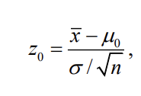
0 |  |  |  |  |  |  |  |  |  |  |  |  |  |  |  |  |  |  |  |  | 0
 |  |  |  |  |  |  |  |  |  |  |  |  |  |  |  |  |  |  |  |  | 0

CI | 0.95 |  | test stat | -0.52223296787
alpha | 0.05
mean | 0.95
critical value | 1.96
SD | 0.95742710776

0.18765571312

0.18997

0.096923469388

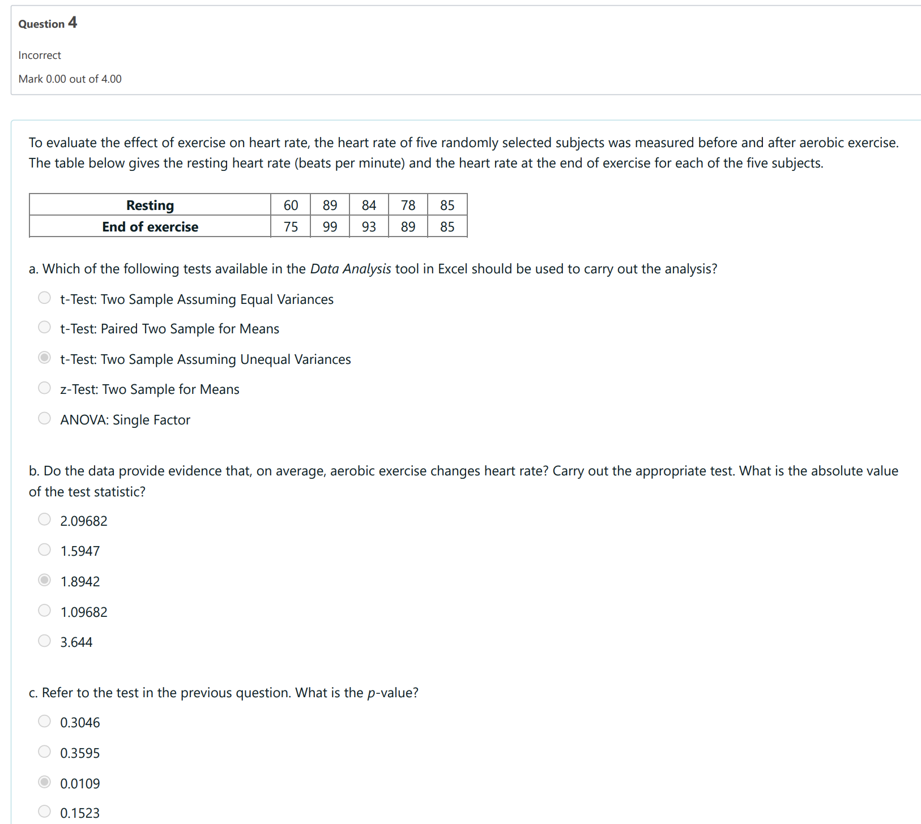
 |  |  |  |  |  |  | Resting | 60 | 89 | 84 | 78 | 85
 |  |  |  |  |  |  | End | 75 | 99 | 93 | 89 | 85
 |  |  |  |  |  |  | d | -15 | -10 | -9 | -11 | 0
 |  |  |  |  |  |  | sd | 5.5226805086
 |  |  |  |  |  |  | d bar | -9

 |  |  |  |  |  | A | t-Test: Paired Two Sample for Means

 |  |  |  |  |  |  |  | Resting | End
 |  |  |  |  |  |  | Mean | 79.2 | 88.2
 |  |  |  |  |  |  | Variance | 130.7 | 81.2
 |  |  |  |  |  |  | Observations | 5 | 5
 |  |  |  |  |  |  | Pearson Correlation | 0.88042320109
 |  |  |  |  |  |  | Hypothesized Mean Difference | 0
 |  |  |  |  |  |  | df | 4
 |  |  |  |  |  | B | t Stat | -3.6439934858
 |  |  |  |  |  |  | P(T<=t) one-tail | 0.010943630901
 |  |  |  |  |  |  | t Critical one-tail | 2.1318467863
 |  |  |  |  |  | C | P(T<=t) two-tail | 0.021887261802
 |  |  |  |  |  |  | t Critical two-tail | 2.7764451052

 |  |  |  |  |  | D | ME | 6.8573135611

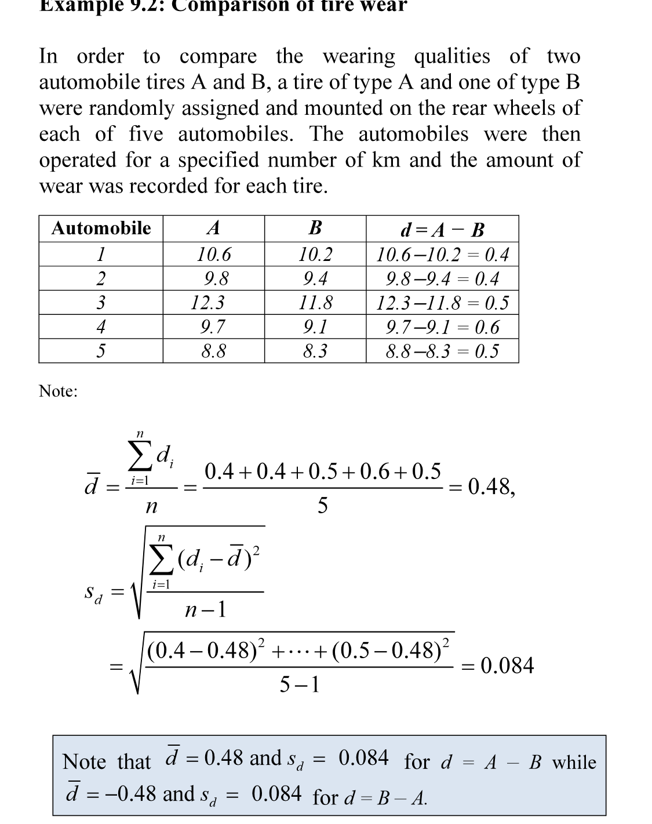

 |  |  |  |  |  |  |  |  |  | 10.6 | 10.2 | 0.4
 |  |  |  |  |  |  |  |  |  | 9.8 | 9.4 | 0.4
 |  |  |  |  |  |  |  |  |  | 12.3 | 11.8 | 0.5
 |  |  |  |  |  |  |  |  |  | 9.7 | 9.1 | 0.6
 |  |  |  |  |  |  |  |  |  | 8.8 | 8.3 | 0.5

 |  |  |  |  |  |  |  |  |  |  |  | 0.48
 |  |  |  |  |  |  |  |  |  |  |  | 0.083666002653

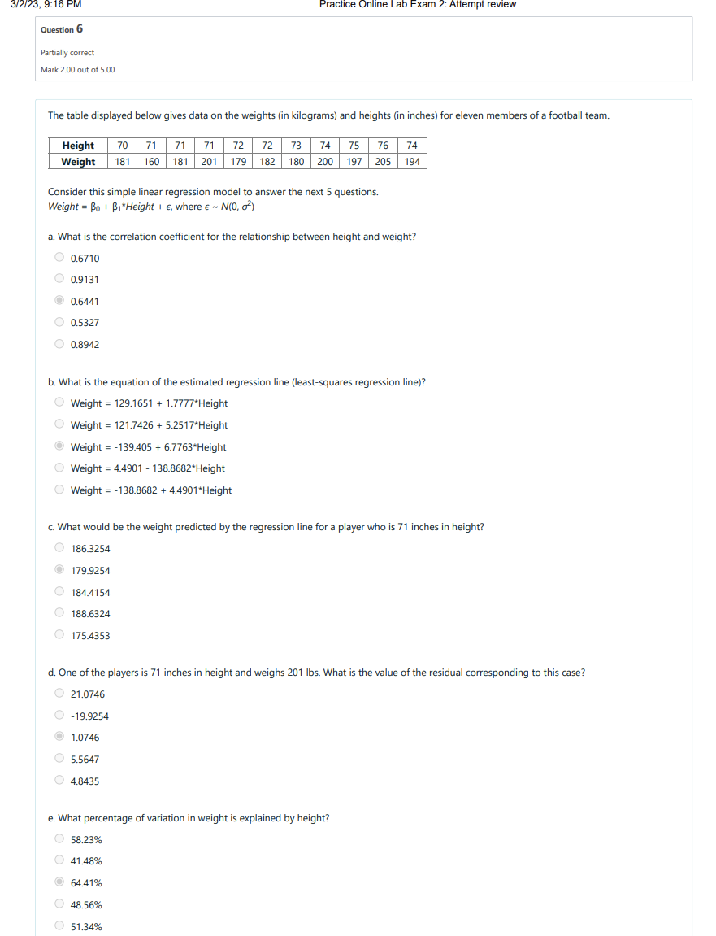

 |  |  |  |  |  |  | height | 70 | 71 | 71 | 71 | 72 | 72 | 73 | 74 | 75 | 76 | 74
 |  |  |  |  |  |  | weight | 181 | 160 | 181 | 201 | 179 | 182 | 180 | 200 | 197 | 205 | 194

 |  |  |  |  |  |  |  |  |  |  | SUMMARY OUTPUT

 |  |  |  |  |  |  |  |  |  |  | Regression Statistics
 |  |  |  |  |  |  |  |  |  |  | Multiple R | 0.64405673647
 |  |  |  |  |  |  |  |  |  |  | R Square | 0.41480907979
 |  |  |  |  |  |  |  |  |  |  | Adjusted R Square | -1.2222222222
 |  |  |  |  |  |  |  |  |  |  | Standard Error | 1.541502448
 |  |  |  |  |  |  |  |  |  |  | Observations | 1

 |  |  |  |  |  |  |  |  |  |  | ANOVA
 |  |  |  |  |  |  |  |  |  |  |  | df | SS | MS | F | Significance F
 |  |  |  |  |  |  |  |  |  |  | Regression | 11 | 15.159386371 | 1.3781260337 | 6.37959611 | #NUM!
 |  |  |  |  |  |  |  |  |  |  | Residual | 9 | 21.386068175 | 2.3762297972
 |  |  |  |  |  |  |  |  |  |  | Total | 20 | 36.545454545

 |  |  |  |  |  |  |  |  |  |  |  | Coefficients | Standard Error | t Stat | P-value | Lower 95% | Upper 95% | Lower 95.0% | Upper 95.0%
 |  |  |  |  |  |  |  |  |  |  | Intercept |  |  |  |  |  |  | 1.1430218916E+243 | 1.1430218916E+243
 |  |  |  |  |  |  |  |  |  |  | X Variable 1 |  |  |  |  |  |  | 2.6727645033E+185 | 2.6727645033E+185
 |  |  |  |  |  |  |  |  |  |  | X Variable 2 |  |  |  |  |  |  | 1.1679512701E-307 | 1.1684628603E-307
 |  |  |  |  |  |  |  |  |  |  | X Variable 3 |  |  |  |  |  |  | 0 | 0
 |  |  |  |  |  |  |  |  |  |  | X Variable 4 |  |  |  |  |  |  | 0 | 0
 |  |  |  |  |  |  |  |  |  |  | X Variable 5 |  |  |  |  |  |  | 1.1430218916E+243 | 1.1430218916E+243
 |  |  |  |  |  |  |  |  |  |  | X Variable 6 |  |  |  |  |  |  | 2.6727645033E+185 | 2.6727645033E+185
 |  |  |  |  |  |  |  |  |  |  | X Variable 7 |  |  |  |  |  |  | 0 | 0
 |  |  |  |  |  |  |  |  |  |  | X Variable 8 |  |  |  |  |  |  | 0 | 0
 |  |  |  |  |  |  |  |  |  |  | X Variable 9 |  |  |  |  |  |  | 2.0522686835E-289 | 2.0522686835E-289
 |  |  |  |  |  |  |  |  |  |  | X Variable 10 | 55.335346504 | 6.865505496 | 8.0599085583 | 2.0852970949E-05 | 39.80449407 | 70.866198938 | 39.80449407 | 70.866198938
 |  |  |  |  |  |  |  |  |  |  | X Variable 11 | 0.092384072065 | 0.036576362143 | 2.525786236 | 0.032459015566 | 0.0096425924529 | 0.17512555168 | 0.0096425924529 | 0.17512555168

 |  |  |  |  |  |  |  |  |  |  | PROBABILITY OUTPUT

 |  |  |  |  |  |  |  |  |  |  | 50 | 70
 |  |  |  |  |  |  |  |  |  |  | Percentile | height

Lab 1
SUMMARY OUTPUT

Regression Statistics
Multiple R | 0.85632506625
R Square | 0.73329261909
Adjusted R Square | -1.25
Standard Error | 1.2111525895
Observations | 1

ANOVA
 | df | SS | MS | F | Significance F
Regression | 10 | 32.26487524 | 3.226487524 | 21.995420347 | #NUM!
Residual | 8 | 11.73512476 | 1.466890595
Total | 18 | 44

 | Coefficients | Standard Error | t Stat | P-value | Lower 95% | Upper 95% | Lower 95.0% | Upper 95.0%
Intercept |  |  |  |  |  |  | 0 | 0
SCORE |  |  |  |  |  |  | 0 | 0
80 |  |  |  |  |  |  | 0 | 0
81 |  |  |  |  |  |  | 0 | 0
81 |  |  |  |  |  |  | -1.492791317E+243 | 3.7788351002E+243
84 |  |  |  |  |  |  | -3.4906414938E+185 | 8.8361705005E+185
83 |  |  |  |  |  |  | 0 | 0
86 |  |  |  |  |  |  | 0 | 0
79 |  |  |  |  |  |  | 0 | 0
82 | 180.70633397 | 13.714231693 | 13.176555422 | 1.0479651335E-06 | 149.08125898 | 212.33140897 | 149.08125898 | 212.33140897
83 | 0.78694817658 | 0.16779538054 | 4.6899275417 | 0.0015616738029 | 0.40001133518 | 1.173885018 | 0.40001133518 | 1.173885018
78

RESIDUAL OUTPUT |  |  |  |  | PROBABILITY OUTPUT

Observation | Predicted HARD1 | Residuals | Standard Residuals |  | 50 | 242
1 | 9.6013838893E+244 | -9.6013838893E+244 | 65535 |  | Percentile | HARD1

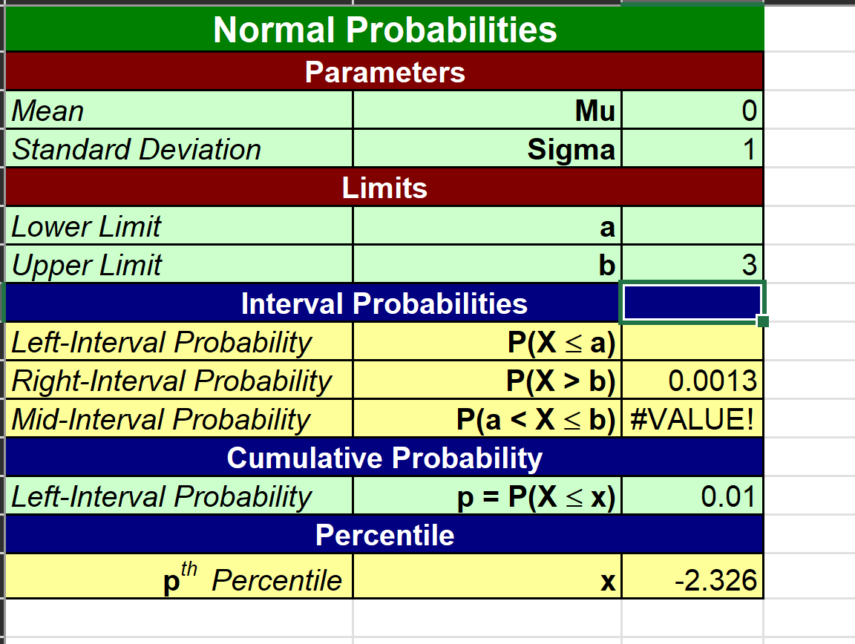
 |  |  |  | 13

Chain 2 | 1 | 4 | 5 | 7 | 6 | 7 | 1
Chain 1 | 2 | 3 | 4 | 5 | 5 | 5 | 4

 | 0.0013498980316
 | 13.498980316

 |  |  | t-Test: Two-Sample Assuming Unequal Variances |  |  |  | t-Test: Paired Two Sample for Means

 |  |  |  | Chain 1 | Chain 2 |  |  | Chain 2 | Chain 1
 |  |  | Mean | 4 | 4.4285714286 |  | Mean | 4.4285714286 | 4
 |  |  | Variance | 1.3333333333 | 6.619047619 |  | Variance | 6.619047619 | 1.3333333333
 |  |  | Observations | 7 | 7 |  | Observations | 7 | 7
 |  |  | Hypothesized Mean Difference | 0 |  |  | Pearson Correlation | 0.78543394046
 |  |  | df | 8 |  |  | Hypothesized Mean Difference | 0
 |  |  | t Stat | -0.40209034645 |  |  | df | 6
 |  |  | P(T<=t) one-tail | 0.34907317486 |  |  | t Stat | 0.62554324217
 |  |  | t Critical one-tail | 1.8595480375 |  |  | P(T<=t) one-tail | 0.27732321161
 |  |  | P(T<=t) two-tail | 0.69814634971 |  |  | t Critical one-tail | 1.9431802805
 |  |  | t Critical two-tail | 2.3060041352 |  |  | P(T<=t) two-tail | 0.55464642322
 |  |  |  |  |  |  | t Critical two-tail | 2.4469118511

 |  | Mass | 36 | 55 | 49 | 42 | 51 | 42 | 40
 |  | Rate | 995 | 1425 | 1396 | 1418 | 1502 | 1256 | 1189

 |  | Mass | Rate
 |  | 36 | 995 |  | SUMMARY OUTPUT
 |  | 55 | 1425
 |  | 49 | 1396 |  | Regression Statistics
 |  | 42 | 1418 |  | Multiple R | 0.82699863942
 |  | 51 | 1502 |  | R Square | 0.68392674961
 |  | 42 | 1256 |  | Adjusted R Square | 0.62071209953
 |  | 40 | 1189 |  | Standard Error | 108.40881142
 |  |  |  |  | Observations | 7

 |  |  |  |  | ANOVA
 |  |  |  |  |  | df | SS | MS | F | Significance F
 |  |  |  |  | Regression | 1 | 127151.36232 | 127151.36232 | 10.819117859 | 0.021731664608
 |  |  |  |  | Residual | 5 | 58762.351967 | 11752.470393
 |  |  |  |  | Total | 6 | 185913.71429

 |  |  |  |  |  | Coefficients | Standard Error | t Stat | P-value | Lower 95% | Upper 95% | Lower 95.0% | Upper 95.0%
 |  |  |  |  | Intercept | 345.70186335 | 296.48994695 | 1.165981737 | 0.29620987988 | -416.44980872 | 1107.8535354 | -416.44980872 | 1107.8535354
 |  |  |  |  | Mass | 21.463768116 | 6.5254436224 | 3.2892427485 | 0.021731664608 | 4.6895812708 | 38.237954961 | 4.6895812708 | 38.237954961

 |  |  |  |  | RESIDUAL OUTPUT

 |  |  |  |  | Observation | Predicted Rate | Residuals | Standard Residuals
 |  |  |  |  | 1 | 1118.3975155 | -123.39751553 | -1.2469023857
 |  |  |  |  | 2 | 1526.2091097 | -101.20910973 | -1.0226938512
 |  |  |  |  | 3 | 1397.426501 | -1.4265010352 | -0.014414451834
 |  |  |  |  | 4 | 1247.1801242 | 170.81987578 | 1.7260939956
 |  |  |  |  | 5 | 1440.3540373 | 61.645962733 | 0.62291771168
 |  |  |  |  | 6 | 1247.1801242 | 8.8198757764 | 0.089122735576
 |  |  |  |  | 7 | 1204.252588 | -15.252587992 | -0.15412375422

